Application_Screen
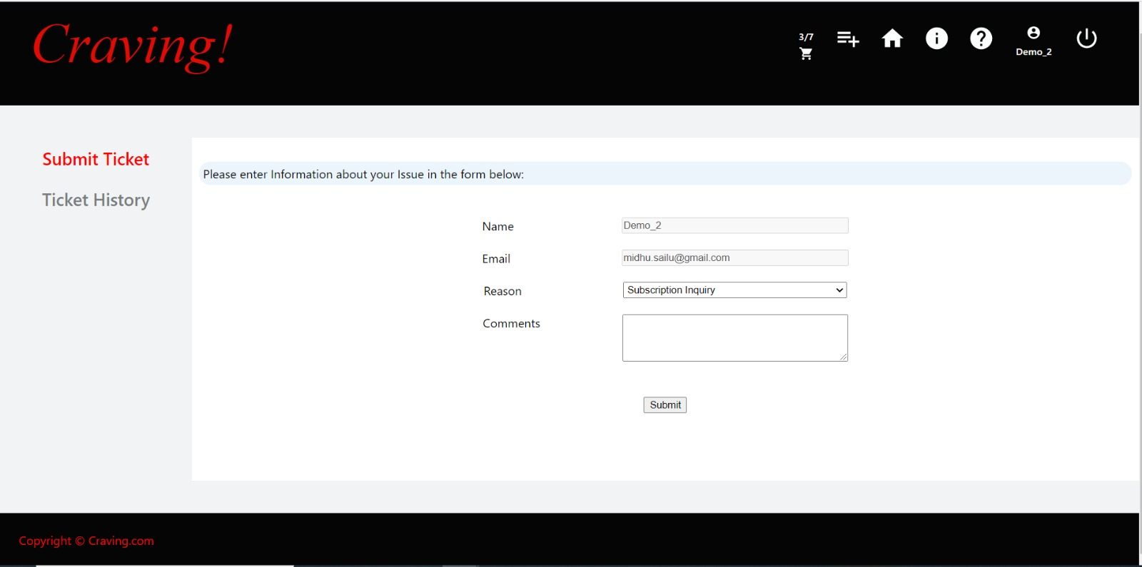

Test Case 7
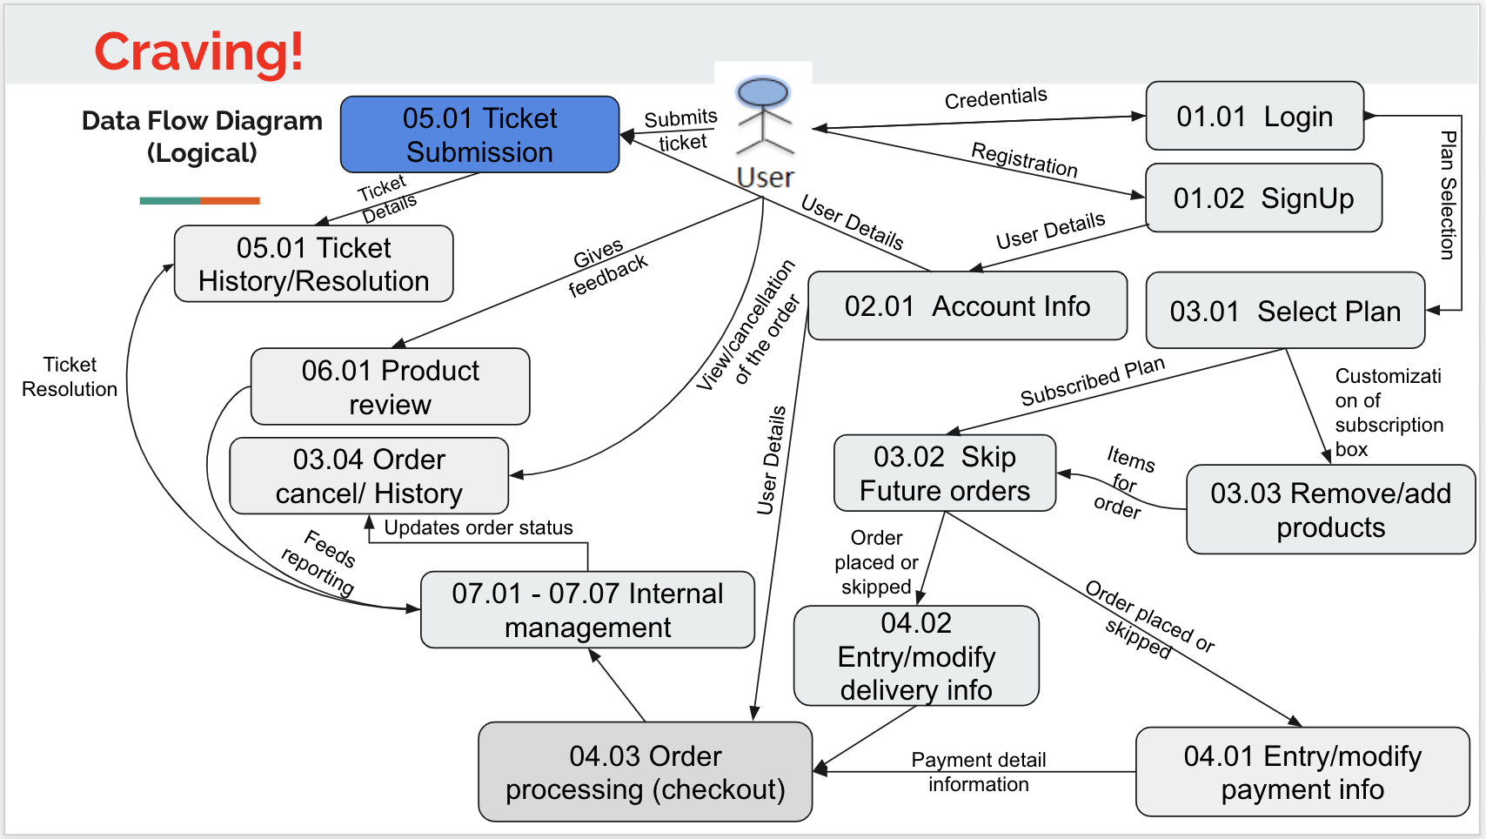
TC Title: | TC7. Ticket Submission - DF-In - Data Flow In

TC Objective: | This test case validates the data flows in to the Ticket submission feature from the Account Info feature. To verify the tester should first check the name and the email entered on the account info page then check if the same details appear on the Tickets submission form.

TC Description
 | Step | Step Description | Expected Results
 | 1 | To verify the tester should first check the name and the email entered on the account info page then check if the same details appear on the Tickets submission form. | Same data that was entered on the Account Info page should appear on the Ticket Submission form.

